XA17
SMC |  |  |  | Tracking Number (Same as Simple Special part No.)
 | Simple special request specification to change rod end shape ( XA17 )

□Fill in |  |  |  |  |  | Issue date: |  |  | (MM/DD/YY)
Customer |  |  |  |  | Division | Customer Person in charge
TEL. |  |  |  |  | FAX |  | Repeatability
Customer Reference No. |  |  |  |  | SMC Person in charge |  | SMC Branch code
Closest SMC part No.

□Part No. ( Please order the cylinder with this part No. )
Simple special part No. |  |  |  |  |  |  |  | Filled in by SMC

Applicable model (Part no. heading) |  |  |  |  | Notes
CA2Z |  |  |  |  | 1) SMC will make appropriate arrangements if no dimension, tolerance, or finish
CM2Z |  |  |  |  | instructions are given in the diagram.
CG1Z |  |  |  |  | 2) The dimension indicated by "Ø" will be as follows to the rod diameter (D).
MBZ |  |  |  |  | Please specify if you change it: D<=25 → D - 2mm, D>25 → D - 4mm
CG3 |  |  |  |  | 3) For double rod type and single-acting retraction type, enter the dimensions for
MWB |  |  |  |  | when the rod is retracted.
C85 |  |  |  |  | 4) Please include the thread pitch, which defaults to JIS B 0205-2/ISO 261, unless
 |  |  |  |  | otherwise requested.

□ Pattern and specified dimensions

XA17 |  | Note: Enter an asterisk (*) where you would like to keep the standard dimension.
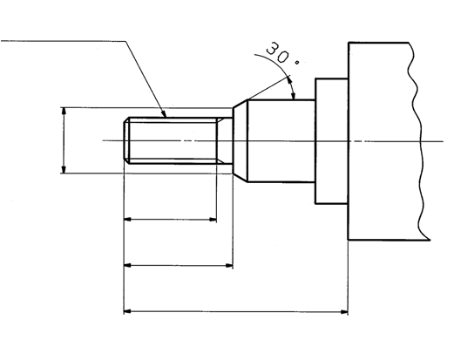
MM
H
A
A - 2P (Pitch)
Notes 4)
* This thread pitch
must be entered.
Note 2)
Ø

 |  |  | "H" is the length between the end of rod and the end of the rod cover.

Note) This product is not listed in and does not fall under rows 1 to 15 of the appended table 1 of the Export Trade Control Order but falls under row 16.
 |  |  |  |  | Filled in by SMC Japan

Image registration No.

