CJ-XA0
SMC |  |  |  |  | Tracking Number (Same as Simple Special part No.)
 |  |  | Simple special request specification to change rod end shape(XA0)

□Fill in |  |  |  |  |  |  |  | Issue date: |  | (MM/DD/YY)
Customer |  |  |  |  |  | Division | Customer Person in charge
TEL. |  |  |  |  |  | FAX |  |  | Repeatability
Customer Reference No. |  |  |  |  |  | SMC Person in charge |  |  | SMC Branch code
Closest SMC part No.

□Part No. (Please order the cylinder with this part No.)
Simple special part No. |  |  |  |  |  |  |  |  |  | Filled in by SMC

Applicable model (Part no. heading) |  |  |  |  |  | Notes
CJ2Z |  | C85 |  |  |  | 1) SMC will make appropriate arrangements if no dimension, tolerance, or finish
 |  |  |  |  |  | instructions are given in the diagram.
 |  |  |  |  |  | 2) For double rod type, enter the dimensions when the rod is retracted.
 |  |  |  |  |  | 3) If you need to change the thread pitch, please use the form for "XA18".

□Pattern and specified dimension

XA0 |  |  | Note: Enter an asterisk (*) where you would like to keep the standard dimension.

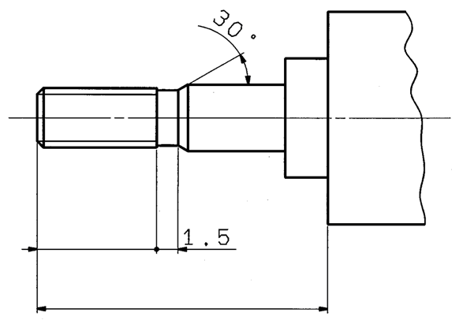
H
A

 |  |  |  | "H" is the length between the end of rod and the end of rod cover.

 | * Please input numbers as follows:

Note) This product is not listed in and does not fall under rows 1 to 15 of the appended table 1 of the Export Trade Control Order but falls under row 16.
 |  |  |  |  |  | Filled in by SMC Japan

Image registration No.

